1. Title Page
[Instacart Grocery Basket Analysis]

Project Name: Instacart Data Analysis
Date: 14/06/2024
Analyst Name: Femina

Contents:
Population Flow
Consistency checks
Wrangling steps
Column derivations
Visualizations
Recommendations

2. Population Flow
 |  | Title page

Population flow

Exclusion flag
Condition: max_order <
Obervations to be removed:
Final total count of order_products_all: 32,404,859

Orders_products_combined
Orders_products_merged
orders_products_customers_merged

Total:32,404,859
Total:
Total:
32,434,489 | 32404859

1.) The grey boxes in the first row of the population flow represent the original data sets as they were when you downloaded them. In the Total fields you need to add the count of the rows when you imported the data set into Jupyter.
2.) The second row of boxes (coloured) represents the data sets after you manipulated them, e.g., removed missing values and duplicates. In the Total fields you need to add the count of the rows after conducting these operations. This offers a visual oveview of how the data flows throughout the data consistency checks.
3.) The third row, where also the arrows are coloured, represents the merges you performed between the datasets. In the Total fields you need to add the count of the rows in the merged datasets, so that you end up with the final dataset (in the red box). Keep in mind the final dataset should be without exclusions (based on the exclusion flag).

3. Consistency checks
 |  |  |  | Title page
Consistency checks

Dataset | Missing Values | Missing values treatment | Duplicates
orders | 206209 values in order_since_prior_order | Replaced with median value | 0 rows
products | 16 values in product name | Removed | 5 rows removed
orders_products_prior | NA | NA | NA
Customers | NA | NA | NA
orders_products_customers_merged | NA | NA | NA

4. Wrangling steps
 |  |  |  | Title page
Wrangling steps

Columns dropped | Columns renamed | Columns' type changed | Comment/Reason
eval_set' |  |  | Not necessary
 | 'order_dow' : 'orders_day_of_week' |  | For readability
 |  | "order_id" (int --> str) | For better analysis
 |  | "user_id" (int --> str) | For better analysis
 | days_since_prior_order' : 'days_between_orders'

 | First Name' : 'first_name' |  | For consistency
 | Surnam' : 'surname' |  | For consistency
 | Gender' : 'gender' |  | For consistency
 | STATE' : 'state' |  | For consistency
 | Age' : 'age' |  | For consistency
 | fam_status' : 'marital_status' |  | For consistency

 |  | "product_id" (int64 --> int32) | To save memory
 |  | "aisle_id" (int64 --> int32) | To save memory
 |  | "department_id" (int64 --> int32) | To save memory
 |  | "order_id" (str --> int32) | To save memory
 |  | "user_id" (str --> int32) | To save memory
 |  | "order_number" (int64 --> int32) | To save memory
 |  | "order_hour_of_day" (int64 --> int32) | To save memory
 |  | "max_order" (int64 --> int32) | To save memory
 |  | "user_id" (int64-->int32) | To save memory
 |  | "age" (int64 --> int8) | To save memory
 |  | "n_dependants" (int64 --> int8 | To save memory
 |  | "income" (int64 --> int32) | To save memory

5. Column derivations
 |  |  |  | Title page

Column derivations and aggregations

In this tab you should add tables below that the frequences of flags/label variables that you produced after deriving them. NB: don't do this for continuous variables, only for flags.
Dataset | New column | Column/s it was derived from | Conditions
ords_prods_merge | "price-label" | prices | categorized products based on prices as:
 |  |  | high-range- grater than 15
 |  |  | mid-range- greater than 5 and less than 15
 |  |  | low range- less than 5
 | "Busiest-day" | orders_days_of_week | least busy- if value is 4
 |  |  | busiest day- if value is 0
 |  |  | regularly busy- other values
 | 'busiest_period_of_day'' | order_hour_of_day | Most orders-if value in [10, 11, 14, 15, 13, 12, 16, 9]
 |  |  | fewewst order-if value in [23, 6, 0, 1, 5, 2, 4, 3]
 |  |  | Average order- other values
 | 'loyalty_flag'' | max_order | loyal_customer-max_order> 40
 |  |  | Regular_customer-max_order <= 40 and > 10
 |  |  | New_customer-max_order <= 10
 | 'spender_flag'' | Average_spend | average_spend <10=Low_spender
 |  |  | average_spend>= 10= High_spender
order_products_activecustomers | "profile" | age,income,n_dependents | age<= 35 ,n_dependants=0 and income > 70000 = single adult
 |  |  | age<= 35 ,n_dependants>0 and income<= 70000 = young parent
 |  |  | age>=36 and age<=55 , and income> 70000 = Established Adult
 |  |  | age>55 = Senior
 |  |  | income<=40000=Budget shopper
orders_products_all | "region" | state | Northeast (5,721,892): "State" isin ['Maine', 'New Hampshire', 'Vermont', 'Massachusetts', 'Rhode Island', 'Connecticut', 'New York', 'Pennsylvania', 'New Jersey']
 |  |  | Midwest (7,596,065): "State" isin ['Wisconsin', 'Michigan', 'Illinois', 'Indiana', 'Ohio', 'North Dakota', 'South Dakota', 'Nebraska', 'Kansas', 'Minnesota', 'Iowa', 'Missouri']
 |  |  | West (8,291,679): "State" isin ['Idaho', 'Montana', 'Wyoming', 'Nevada', 'Utah', 'Colorado', 'Arizona', 'New Mexico', 'Alaska', 'Washington', 'Oregon', 'California', 'Hawaii']

6. Visualizations
 | Title page

Visualisations
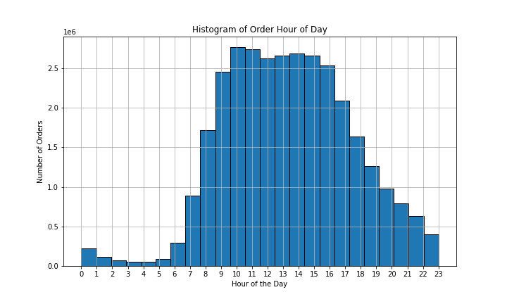

KEY QUESTIONS
The sales team needs to know what the busiest days of the week and hours of the day are (i.e., the days and times with the most orders) in order to schedule ads at times when there are fewer orders.

There is a noticeable peak in the middle of the distribution, with the frequency decreasing as you move away from the center. That means more orders are happened at the middle of the day. The busiest hours for orders are between 10 AM and 4 PM. The least busy hours are early in the morning (midnight to 6 AM) and late at night (9 PM to midnight).

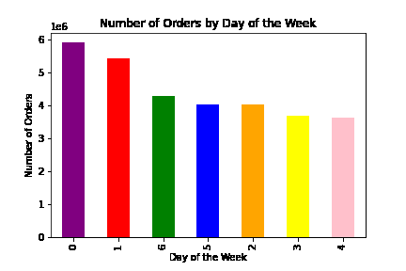

Sunday is the busiest day with the highest number of orders, suggesting that customer activity peaks on Sunday. Monday is the second busiest day.Tuesday, Wednesday, and Thursday: These days have the least activity, with orders steadily decreasing mid-week.

Key Question: "They also want to know whether there are particular times of the day when people spend the most money, as this might inform the type of products they advertise at these times".

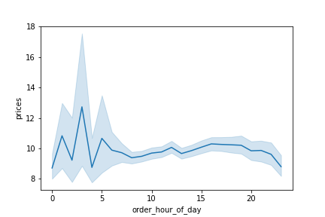
 |  | Customer Spending Trends Throughout the Day

There is a noticeable spike in spending during certain times, which could indicate periods when customers are more likely to make larger purchases. The average price spent is highest during late-night/early-morning orders. Peak time is from 2 to 4 am. The dark blue line in the center represents the average (mean) spending at each time of the day. The light blue shaded area around the mean line indicates the range within which the true spending values are expected to fall.

Key Question: "Are there certain types of products that are more popular than others? The marketing and sales teams want to know which departments have the highest frequency of product orders."

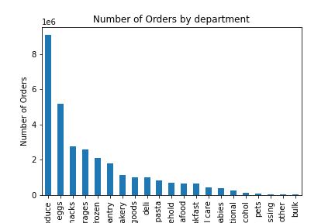

The bar chart shows the most popular products (by far) come from produce. The next most ordered from departments are dairy/eggs, snacks, beverages, and frozen.

Key Question: "What’s the distribution among users in regards to their brand loyalty (i.e., how often do they return to Instacart)"? Regular customers contribute more to sales.

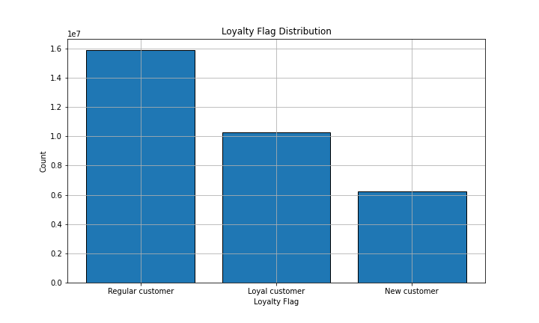

Key Question: "Are there differences in ordering habits based on a customer's loyalty status"? It seems there is no differences in customer habits in ordering.

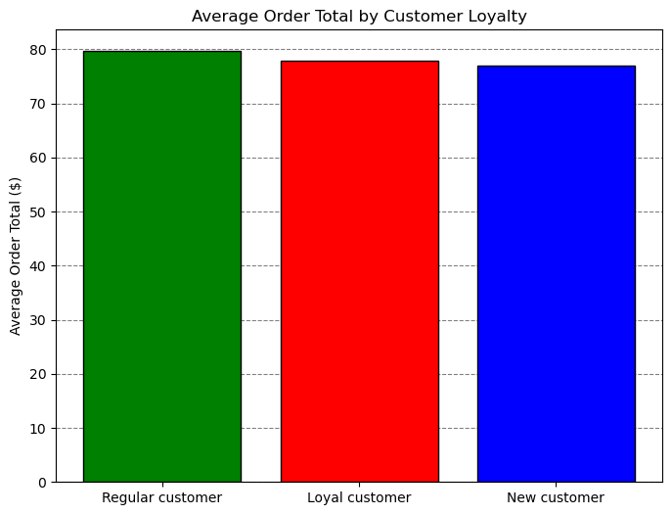

Key Question: "Are there differences in ordering habits based on a customer's region"?

In the South, there may be more customers, but they place orders less frequently compared to customers in other regions.Conversely, regions like the Midwest, Northeast, and West might have fewer customers who place orders more frequently.

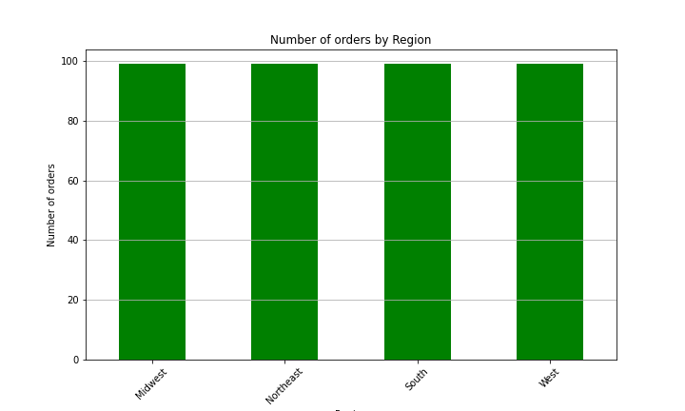
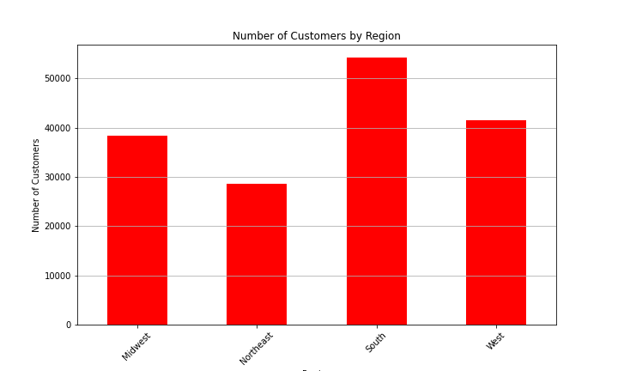

Key Question: "What different classifications does the demographic information suggest? The chart shows that more customers are from the senior group.

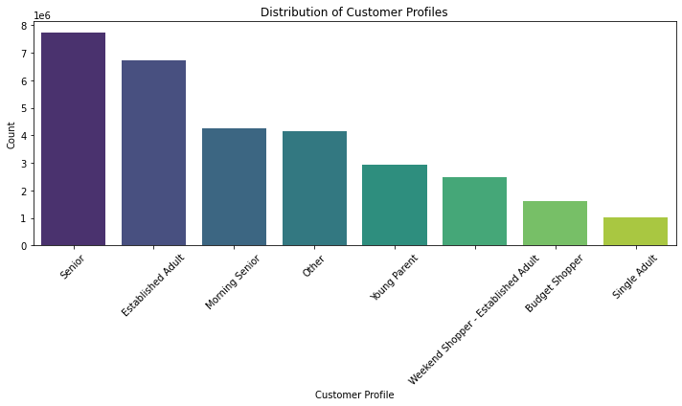

Key Question: Explore whether there’s a connection between age and spending power (income). The scatter plot shows that there is a positive correlation between age and Spending power.
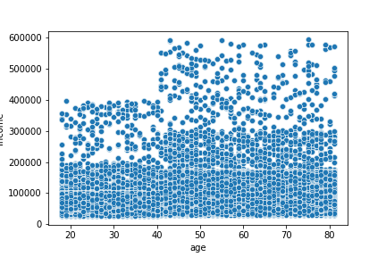

Key Questions: Compare your customer profiles with regions and departments.

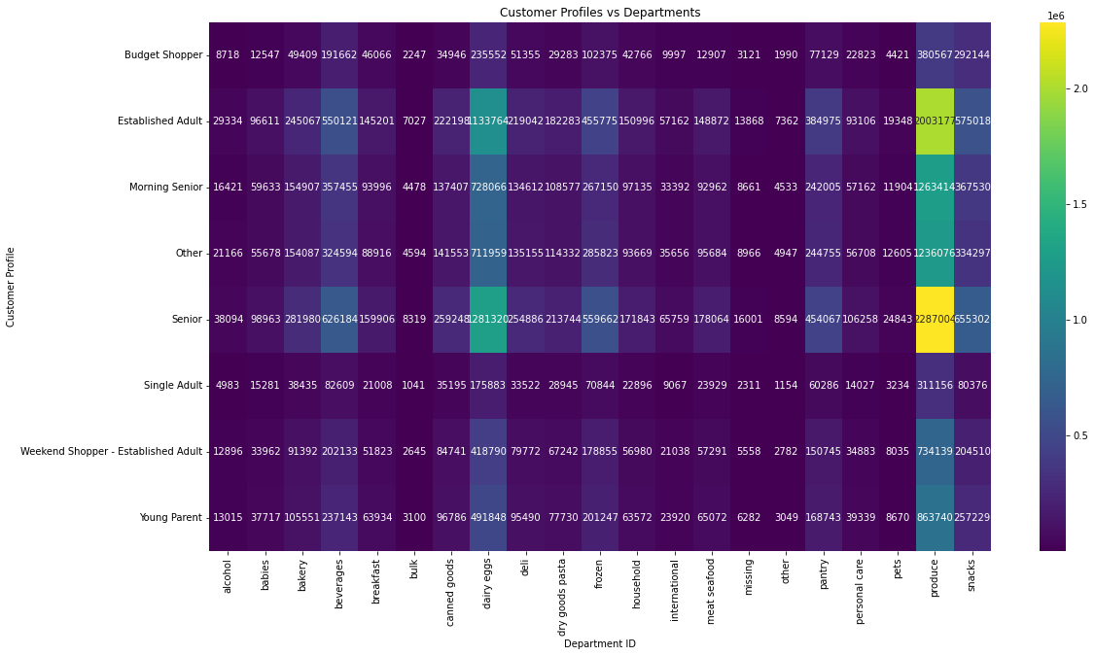
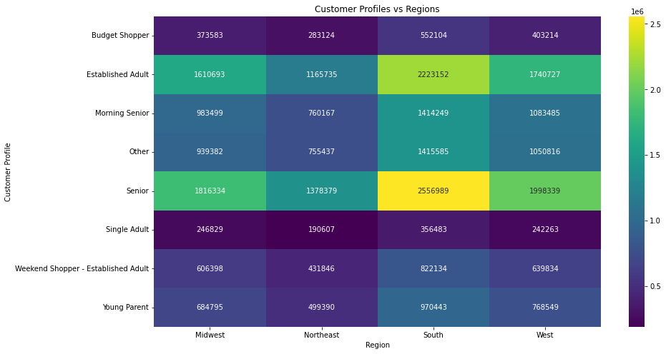

Heat map showing customer profile with region and department.

7. Recommendations
 |  | Title page
Recommendations

Based on the analysis of Instacart grocery data, several key insights have emerged that can inform strategic recommendations for marketing, sales, operations, and customer engagement. Here are some detailed recommendations:
Mid-Week Promotions: Introduce special mid-week promotions or discounts on Tuesdays, Wednesdays, and Thursdays to boost activity during these slower days. Consider offering loyalty points, discounts, or bundled deals to attract more customers.
High-Spend Product Promotions:
Consider promoting high-spend products during the busiest hours (10 AM to 4 PM) when customer engagement is highest.
Early Morning Promotions: Since the average price spent is highest during late-night/early-morning orders, consider running special early bird promotions or discounts to encourage more customers to shop during these hours.
Focus on High-Demand Departments: Ensure sufficient stock of the most popular products from the produce, dairy/eggs, snacks, beverages, and frozen departments. This will help meet customer demand and avoid stockouts.
Southern States Focus: Conduct a deeper analysis to understand why customers in the South order less frequently. Surveys, focus groups, or customer feedback can provide insights.
Educational Content: Provide educational content on healthy eating, new products, and how to make the most of the online shopping experience. This can help seniors feel more comfortable and confident using the platform.
Mobile App Enhancements: Improve the mobile app experience to make it more convenient for customers to place orders. Features like one-click reordering, voice ordering, and better navigation can enhance usability.
 |  |  | KEY QUESTIONS | ANSWERS

 |  |  | 1.The sales team needs to know what the busiest days of the week and hours of the day are (i.e., the days and times with the most orders) in order to schedule ads at times when there are fewer orders. | There is a noticeable peak in the middle of the distribution, with the frequency decreasing as you move away from the center. That means more orders are happened at the middle of the day. The busiest hours for orders are between 10 AM and 4 PM. The least busy hours are early in the morning (midnight to 6 AM) and late at night (9 PM to midnight).

 |  |  | 2. "They also want to know whether there are particular times of the day when people spend the most money, as this might inform the type of products they advertise at these times". | The average price spend is highest during late-night/early-morning orders. Peak time is from 2 to 4 am.

Question | Answer |  | 3. Are there certain types of products that are more popular than others? The marketing and sales teams want to know which departments have the highest frequency of product orders." | The most popular products (by far) come from produce. The next most ordered from departments are dairy/eggs, snacks, beverages, and frozen.
Key Question 1
Key Question 2 |  |  | 4. What’s the distribution among users in regards to their brand loyalty (i.e., how often do they return to Instacart) | Regular customers contribute to more sales.
Key Question 3
Key Question 4 |  |  | 5. Are there differences in ordering habits based on a customer's loyalty status? | It seems there is no differences in customer habits in ordering.
Key Question 5
 |  |  | 6. Are there differences in ordering habits based on a customer’s region? | In the South, there may be more customers, but they place orders less frequently compared to customers in other regions.Conversely, regions like the Midwest, Northeast, and West might have fewer customers who place orders more frequently.

 |  |  | 7.Is there a connection between age and family status in terms of ordering habits? | There is a positive correlation between age and Spending power.

 |  |  | 8.What different classifications does the demographic information suggest? Age? Income? Certain types of goods? Family status? | Customer profile classification based on age, income and noof dependants are: Budget Shopper Established Adult Morning Senior Other Senior Single Adult Weekend Shopper - Established Adult Young Parent

 |  |  | 9. What differences can you find in ordering habits of different customer profiles? Consider the price of orders, the frequency of orders, the products customers are ordering, and anything else you can think of. | The senior citizens in south region contribute to more sales in instacart. They depend more on the "produce" department.

